Read (Sector)
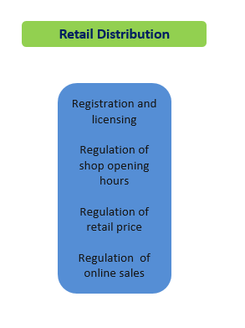
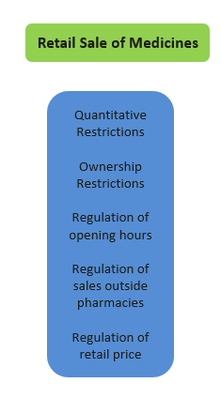
 | Sectoral Product Market Regulation Indicators

This file presents the OECD indicators of regulation in a number of network and service sectors. These indicators measure regulation at the sector level in OECD economies and in a number of non-OECD economies. They cover eight network sectors (electricity, natural gas, rail transport, air transport, water transport, road transport, fixed e-communication and mobile e-communication) and eight service sectors (retail distribution, retail sales of medicines, and six professions: accountants, lawyers, notaries, civil engineers, estate agents and architects).

 |  | Energy is the simple average of: Electricity and Natural Gas (weights ½)
 |  | Transport is the simple average of: Air, Rail, Road and Water (weights ¼)
 |  | Ecomm. is the simple average of: Fixed Ecomm and Mobile Ecomm (weights ½)
 |  | Network Sectors is the simple average of: Energy, Transport , and Ecomm. (weights 1/3)

Lawyers
Notaries
Accountants
Professional services
Architects
Civil Engineers
Real Estate
Agents
Entry regulation
Conduct regulation
Entry regulation
Conduct regulation
Entry regulation
Conduct regulation
Entry regulation
Conduct regulation
Entry regulation
Conduct regulation
Entry regulation
Conduct regulation
 |  | There are six indicators one for each of the 6 professions covered: accountants, architects, civil engineers, estate agents, lawyers, and notaries. There is no single average inidicator for all professions since some professions do not exist in some of the economies surveyed
 |  | Some care should be taken when comparing the PMR indicators on individual professions across economies, because the activities that a specific profession undertakes may vary between economies. The PMR database provides an indication of the activities performed by each profession in each country.
 |  | On Notaries: In some economies, notaries do not exist as an independent profession. For this reason there are values missing for this profession for some economies. It should be added that in civil law economies, notaries exercise administrative and judicial tasks by virtue of power delegated by the state; hence, they play a special role in the legal services market in the concerned economies and in this aspect they are different from the other professions included in the OECD's PMR indicator.

Read (Digital_M)

 | Digital Markets Indicator

This sheet presents the new OECD Indicator on Digital Markets, which assesses barriers to entry in digital markets

